ALL Teacher Overview
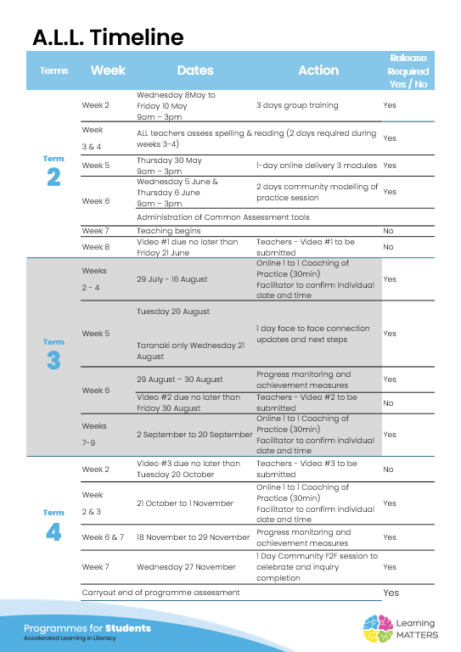

Roadmap
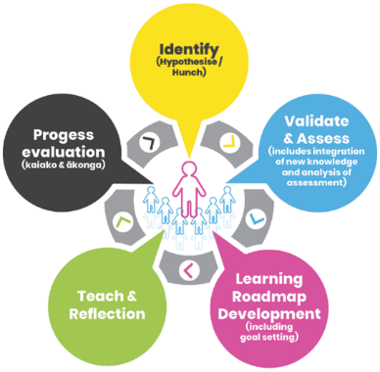 |  | The Inquiry cycle understood …
 |  | Hunch | What do you suspect is the cause of literacy underachievement?
 |  | Validate and Assess | Once you have completed all assessments has your hunch been validated and or is further assessment or knowledge building necessary?
 |  | Roadmap Actions | Now you have greater knowledge and relevant assessment findings what steps will you take?
 |  | Goal Setting | Write a goal for you as the teacher that reflects your aspirations to continue to improve both knowledge and practice and also a goal for your group of students.
 |  | Teaching | What will the key components of your teaching sessions include for this group of Tier 2 students?
 |  | Reflection | You will be required to reflect throughout your roadmap at regular intervals, particularly after observations and coaching sessions.
 |  | Progress evaluation | At the beginning of Term 3 and again at the end of term 4 you will evaluate the progress both you and your students have made.

Roadmap for implementation and tracking progress and actions
Now use the information and reflections above to map out your roadmap and set goals for your inquiry. ALL participants will be required to keep a journal of their progress and actions. This will assist in monitoring achievements and progress towards teacher and student goals.
Term 2 Goal Setting
Teacher goal |  | To learn how to expliciltly teach using ALL framework
Student outcome goals |  | To use their new skills in all areas of their literacy.

Term 2 Roadmap
Week | Focus | Teacher Actions | Reflection and next steps
3
4
5
6 | Robot | Open closed syllables teach long/short vowels | Set up and use a modelling book as children are using whiteboards and we can all refer back using our modelling book
7
8
9 |  |  | Finding it hard to fit in teaching with a small group so moving to teach whole class
10 | Billy the Donkey |  | Whole Class

Term 2 Evaluation & Term 3 Goal Setting
Student progress and next steps |  | Target group know short long vowels and open closed syllables. Can spell irregular words as daily revision
Teacher progress and next steps |  | Teach whole class to fit in a daily session 4 days as i don't teach on a Friday

Term 3 Roadmap
Week | Focus | Teacher Actions | Reflection and next steps
1
2
3
4 | Shi Tzu | Ensure children have new vocab use finger spelling make explicit they can use these skills when doing their writing. | Put after spelling activities in target students homework books
5
6
7
8
9
10

Term 3 Evaluation & Term 4 Goal Setting
Student progress and next steps |  | children know their long and short vowel sounds. Target group know open and closed syllables.
Teacher progress and next steps |  | I have put spelling activities and dice roll games in out reading activity box for children when they have finished their writing.Remember to go over sounds and quick activities

Term 4 Roadmap
Week | Focus | Teacher Actions | Reflection and next steps
1
2
3
4
5
6
7
8

Term 4 Evaluation & Final Reflections
Student progress and next steps
Teacher progress and next steps

